Sheet1
 |  | Document No. | Issue No. | Issue Date |  | Review and Replace Date |  | Authorised By
 |  | GFF410MC | 1 | 18.10.2023 |  | New Document |  | Magda Shah
 |  | Document Title | 8 Mini Camembert With Dip | 190G
Document amendments reason for change |  | New Document |  |  | Page 1 of 1 | Previous Issue Date | New Document | Uncontrolled copy unless signed original

CVBCB1-R1TEB | BOOTHS - XMAS |  | 8 Mini Camembert With Dip | 190G
STEP 1 |  |  |  |  | STEP 2
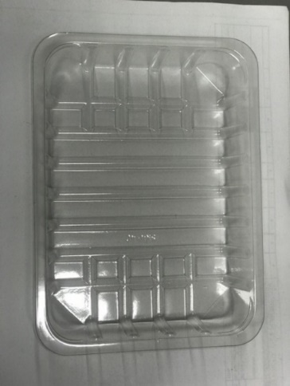 |  |  |  |  | 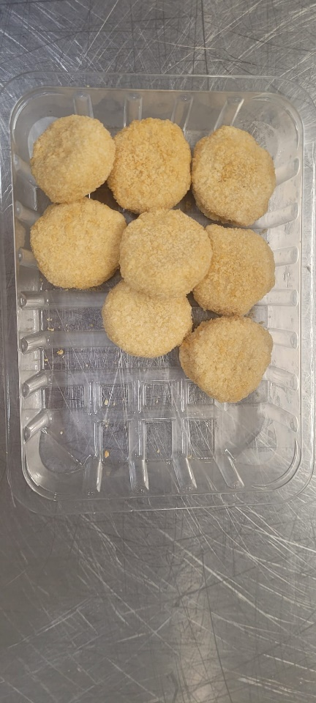

Tray: SK4 Plain Clear (PKESS001-07) |  |  |  |  | 8 x Mini Camembert Bites 150g
Film: K-peel 7G+25A/f-275mm (PKKMP001-03) |  |  |  |  | RMSAL001-06
STEP 3 |  |  |  |  | STEP 4
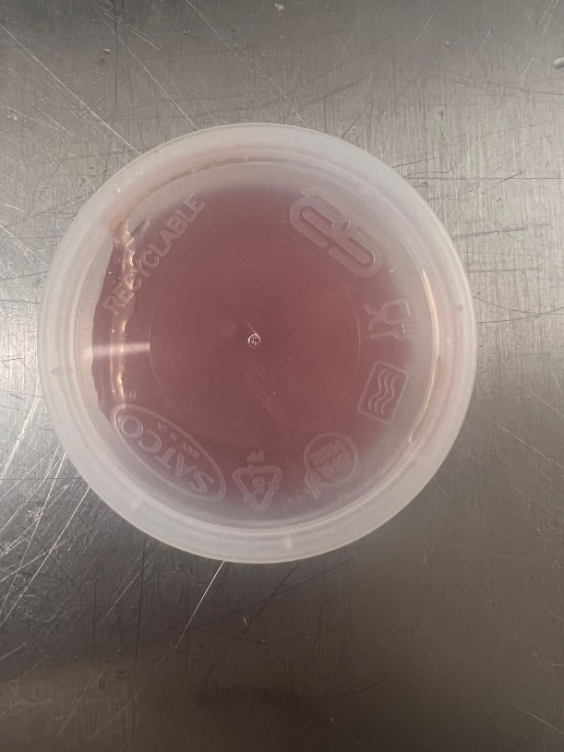 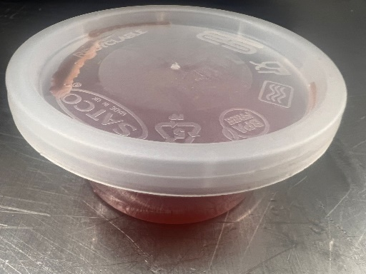 |  |  |  |  | 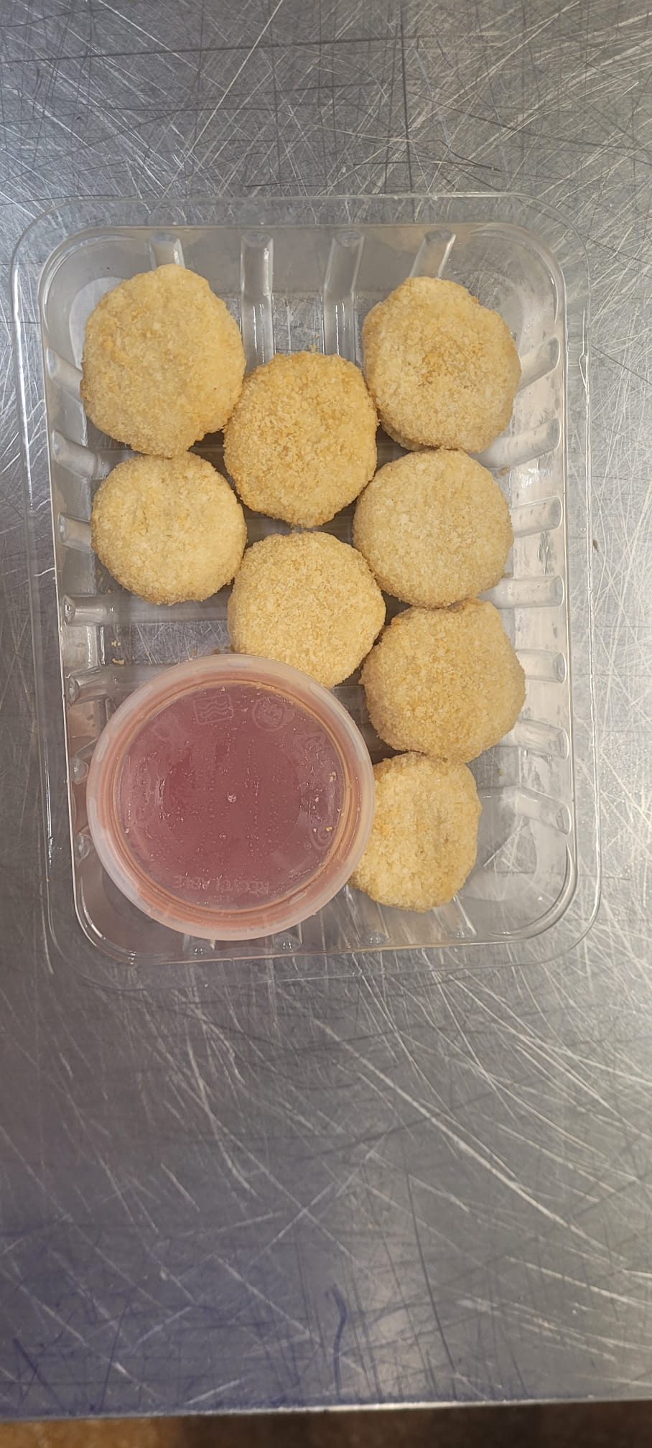

Redcurrent Dip (GFF454R) 40g |  |  |  |  | TOTAL WEIGHT: 190G
Satco 2oz Pots with Lids (PKJEN001-03)
ALLERGY ALERT: Wheat, Milk

